1-Stat Methods
 | Statistical Methods
 | # | EMP Salary |  | 1 | Statistical Methods - Emp Salary
 | 1 | Average | $72,397.52 |  | Average
 | 2 | Median | $63,208.00 |  | Median
 | 3 | Mode | $80,000.00 |  | Mode
 | 4 | Max | $140,000.00 |  | Max
 | 5 | Min | $21,971.00 |  | Min
 | 6 | Sum | $3,619,876.00 |  | Sum

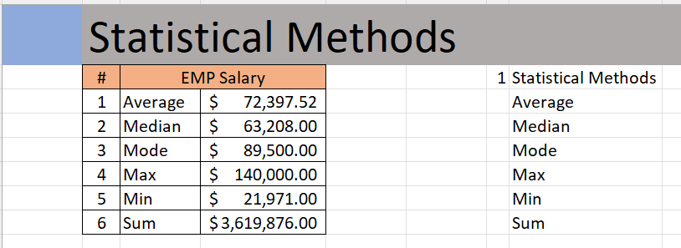
Outcome should be as below

5 Calc Bonus $ from bonus%
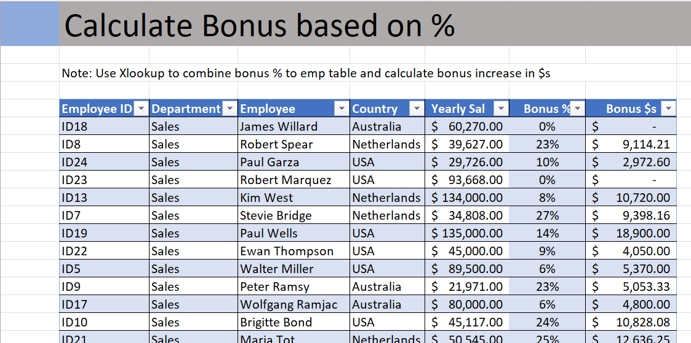
 | Calculate Bonus based on %
 | Employee ID | Department | Employee | Country | Yearly Sal | Bonus% | Bonus $ | 5 | Create a report with Bonus & Payout (Using XLookUp)
 | ID9 | Sales | Peter Ramsy | Australia | $21,971.00 | 23% | $5,053.33
 | ID24 | Sales | Paul Garza | USA | $29,726.00 | 10% | $2,972.60 |  | Bonus in $ = yearly salary * bonus % /100
 | ID7 | Sales | Stevie Bridge | Netherlands | $34,808.00 | 27% | $9,398.16
 | ID8 | Sales | Robert Spear | Netherlands | $39,627.00 | 23% | $9,114.21 |  | = [Yearly Salary] * XLOOKUP([Employee ID], [Bonus Table EmployeeID Range], [Bonus Table Bonus % Range])
 | ID22 | Sales | Ewan Thompson | USA | $45,000.00 | 9% | $4,050.00
 | ID10 | Sales | Brigitte Bond | USA | $45,117.00 | 24% | $10,828.08
 | ID21 | Sales | Maria Tot | Netherlands | $50,545.00 | 25% | $12,636.25
 | ID47 | Sales | Edward William | Netherlands | $55,117.00 | 13% | $7,165.21
 | ID41 | Sales | Isaac Doantan | USA | $58,445.00 | 22% | $12,857.90
 | ID50 | Sales | Ruth Joseph | Australia | $58,445.00 | 11% | $6,428.95
 | ID18 | Sales | James Willard | Australia | $60,270.00 | - | -
 | ID48 | Sales | Rose Kuntum | Australia | $60,445.00 | 19% | $11,484.55
 | ID17 | Sales | Wolfgang Ramjac | Australia | $80,000.00 | 6% | $4,800.00
 | ID49 | Sales | Lenny Karwiz | USA | $83,117.00 | 20% | $16,623.40
 | ID5 | Sales | Walter Miller | USA | $89,500.00 | 6% | $5,370.00
 | ID23 | Sales | Tommy Lee | USA | $93,668.00 | - | -
 | ID42 | Sales | Stephen Hughes | USA | $120,000.00 | 13% | $15,600.00
 | ID13 | Sales | Kim West | Netherlands | $134,000.00 | 8% | $10,720.00
 | ID19 | Sales | Paul Wells | USA | $135,000.00 | 14% | $18,900.00

Output should look like below

6 Empl bonus $ by Country, Dept
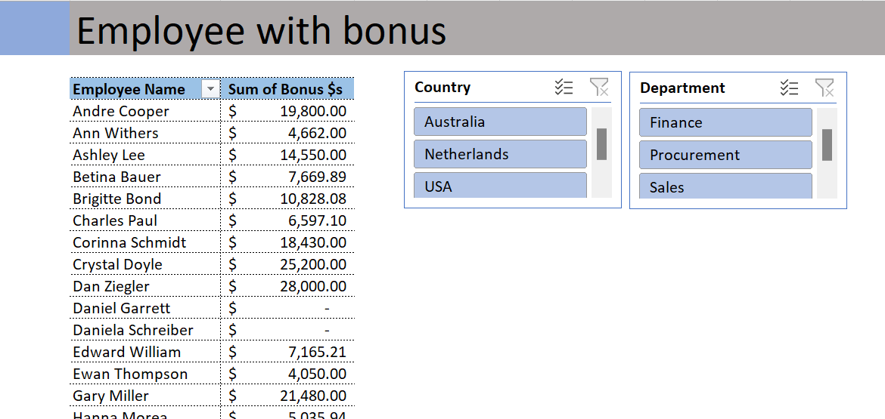
 | Employee with bonus
 | Employee | Sum of Bonus $ | 6 | Employee Report with Bonus payout by Country and By Dept
 | Andre Cooper | $19,800.00
 | Ann Withers | $4,662.00
 | Ashley Lee | $14,550.00
 | Betina Bauer | $7,669.89
 | Brigitte Bond | $10,828.08
 | Charles Paul | $6,597.10
 | Corinna Schmidt | $18,430.00
 | Crystal Doyle | $25,200.00
 | Dan Ziegler | $28,000.00
 | Daniel Garrett | $-
 | Daniela Schreiber | $-
 | Edward William | $7,165.21
 | Ewan Thompson | $4,050.00
 | Gary Miller | $21,480.00
 | Hanna Morea | $5,035.94
 | Isaac Doantan | $12,857.90
 | James Willard | $-
 | John Baptist | $17,460.00
 | John Mark | $12,800.00
 | John Mylas | $7,716.38
 | Joseph Vinod | $8,100.00
 | Kim West | $10,720.00
 | Lenny Karwiz | $16,623.40
 | Lukas Hofer | $3,552.00
 | Mahitha Nowman | $8,055.00
 | Maria Tot | $12,636.25
 | Mercy Mayo | $9,842.00
 | Mike Saban | $8,100.00
 | Natalie Porter | $14,000.00
 | Paul Garza | $2,972.60
 | Paul Hill | $14,611.25
 | Paul Wells | $18,900.00
 | Peter Ramsy | $5,053.33
 | Richard Elliot | $5,035.94
 | Robert Blume | $-
 | Robert Musser | $-
 | Robert Richardson | $22,500.00
 | Robert Spear | $9,114.21
 | Roger Mun | $20,000.00
 | Rose Kuntum | $11,484.55
 | Ruth Joseph | $6,428.95
 | Sarah Gavlace | $18,795.00
 | Sharon Rose | $14,400.00
 | Stephen Hawkings | $7,272.00
 | Stephen Hughes | $15,600.00
 | Stevie Bridge | $9,398.16
 | Tim Watson | $10,253.55
 | Tommy Lee | $-
 | Walter Miller | $5,370.00
 | Wolfgang Ramjac | $4,800.00

Output should look like below.

